Color Mixtures First Study
 | Cores a Misturar |  |  | Modelos |  |  |  | CIE-LAB into CIE-LCh: http://colormine.org/convert/lab-to-lch |  |  |  |  |  |  | LCh:
 |  |  |  |  |  |  |  | Valores de todas as cores: http://colorizer.org |  |  |  |  |  |  | L = L
 | Red | Cyan |  | HSV | CIE-Lab |  |  | Codigo HTML: http://html-color-codes.info |  |  |  |  |  |  | C = sqrt(a^2 + b^2)
 | Green | Magenta |  | CIE-LCh |  |  |  | Cores CIE-LCh: http://www.easyrgb.com/index.php?X=CALC#Result |  |  |  |  |  |  | H = tan-1(b/a)
 | Blue | Yellow |  | CMYK

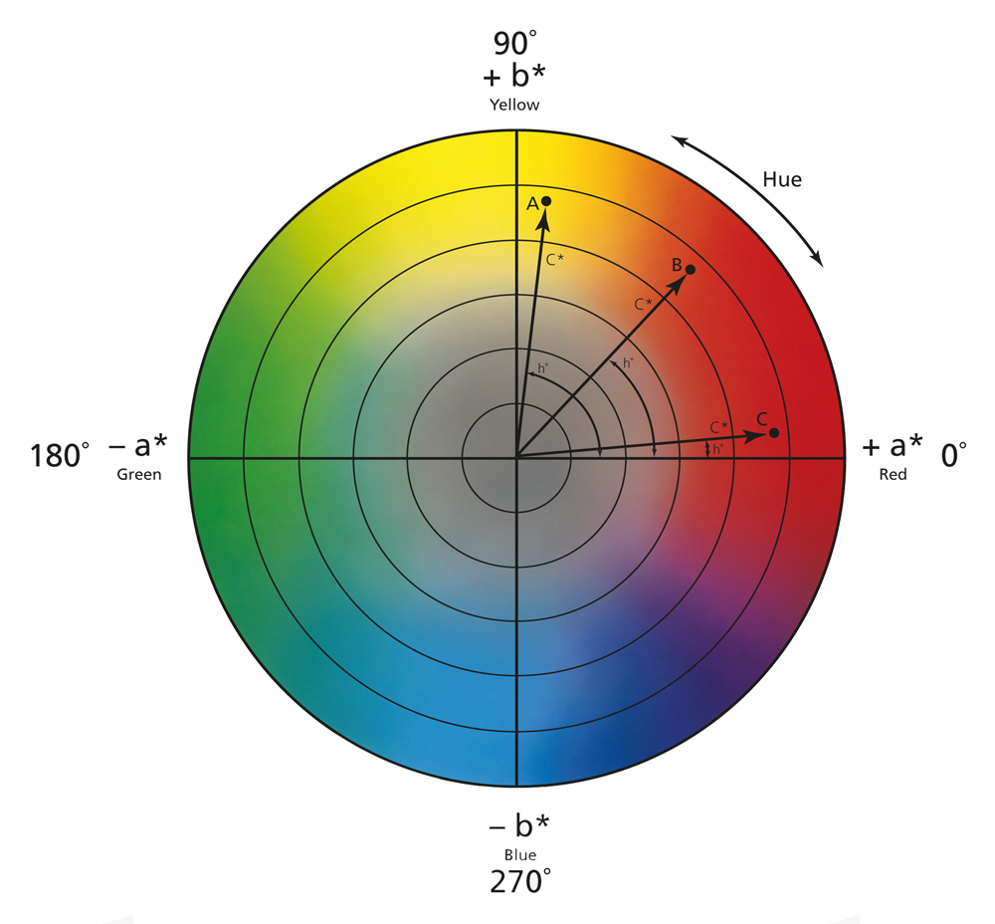
 |  |  | ang | linear | linear | linear | linear | ang | linear | linear | linear | linear | linear | linear | linear | linear | linear | linear
 |  |  | H | S | V | L* | C* | h* | C | M | Y | K | R | G | B | L* | a* | b* | HTML
 | Red |  | 0 | 100 | 100 | 53.23 | 104.57 | 40.00 | 0 | 100 | 100 | 0 | 255 | 0 | 0 | 53.23 | 80.11 | 67.22 | #FF0000
 | Green |  | 120 | 100 | 100 | 87.74 | 119.77 | 136.01 | 100 | 0 | 100 | 0 | 0 | 255 | 0 | 87.74 | -86.18 | 83.18 | #000100
 | Blue |  | 240 | 100 | 100 | 32.30 | 133.81 | 306.29 | 100 | 100 | 0 | 0 | 0 | 0 | 255 | 32.30 | 79.20 | -107.86 | #FFFFFF
 | Cyan |  | 180 | 100 | 100 | 91.12 | 50.11 | 196.39 | 100 | 0 | 0 | 0 | 0 | 255 | 255 | 91.12 | -48.08 | -14.14 | #00FFFF
 | Magenta |  | 300 | 100 | 100 | 60.32 | 115.56 | 328.23 | 0 | 100 | 0 | 0 | 255 | 0 | 255 | 60.32 | 98.25 | -60.84 | #FF00FF
 | Yellow |  | 60 | 100 | 100 | 97.14 | 96.90 | 102.85 | 0 | 0 | 100 | 0 | 255 | 255 | 0 | 97.14 | -21.56 | 94.48 | #FFFF00

 | Two Color Blends |  | HSV |  |  | CIE-LCh |  |  | CMYK |  |  |  | RGB |  |  | CIE-L*a*b* |  |  | HTML
 |  |  | H (Hue) | S (Saturation) | V (Value) | L (Lightness) | C (Saturation) | h (Hue) | C (Cyan) | M (Magenta) | Y (Yellow) | K (Key) | R | G | B | L* | a* | b* | HSV | CIE-L*C*h* | CMYK | RGB | CIE-L*a*b*
 | R-G |  | 60 | 100 | 100 | 70.49 | 112.17 | 88.01 | 50 | 50 | 100 | 0 | 127.5 | 127.5 | 0 | 70.49 | -3.035 | 75.2 | #FFFF00 | #D7A700 | #808000 | #808000 | #c9ab00 | 15 Misturas
 | R-B |  | 300 | 100 | 100 | 42.77 | 119.19 | 353.15 | 50 | 100 | 50 | 0 | 127.5 | 0 | 127.5 | 42.77 | 79.66 | -20.32 | #FF00FF | #FB0080 | #800080 | #800080 | #ca0088
 | G-B |  | 180 | 100 | 100 | 60.02 | 126.79 | 221.15 | 100 | 50 | 50 | 0 | 0 | 127.5 | 127.5 | 60.02 | -3.49 | -12.34 | #00FFFF | #00A5FF | #008080 | #008080 | #7d93a6
180º | R-C |  | 90 | 100 | 100 | 72.18 | 77.34 | 118.20 | 50 | 50 | 50 | 0 | 127.5 | 127.5 | 127.5 | 72.18 | 16.02 | 26.54 | #80FF00 | #91c01d | #808080 | #808080 | #dda581
 |  |  | 270 | 100 | 100 |  |  |  |  |  |  |  |  |  |  |  |  |  | #7f00ff
 | R-M |  | 330 | 100 | 100 | 56.78 | 110.07 | 4.12 | 0 | 100 | 50 | 0 | 255 | 0 | 127.5 | 56.78 | 89.18 | 3.19 | #FF0080 | #FF0080 | #FF0080 | #FF0080 | #ff0087
 | R-Y |  | 30 | 100 | 100 | 75.19 | 100.74 | 71.43 | 0 | 50 | 100 | 0 | 255 | 127.5 | 0 | 75.19 | 29.28 | 80.85 | #FF8000 | #FF9F00 | #FF8000 | #FF8000 | #ffa100
 | C-M |  | 240 | 100 | 100 | 75.72 | 82.84 | 262.35 | 50 | 50 | 0 | 0 | 127.5 | 127.5 | 255 | 75.72 | 25.08 | -37.49 | #0000FF | #00caff | #8080FF | #8080FF | #c6aeff
 | M-Y |  | 0 | 100 | 100 | 78.73 | 106.23 | 35.54 | 0 | 50 | 50 | 0 | 255 | 127.5 | 127.5 | 78.73 | 38.35 | 16.82 | #FF0000 | #FF6755 | #FF8080 | #FF8080 | #ffa6a6
 | G-C |  | 150 | 100 | 100 | 89.43 | 84.94 | 166.20 | 100 | 0 | 50 | 0 | 0 | 255 | 127.5 | 89.43 | -67.13 | 34.52 | #00FF80 | #00ffb7 | #00FF80 | #00FF80 | #46ff9c
180º | G-M |  | 210 | 100 | 100 | 74.03 | 117.66 | 52.12 | 50 | 50 | 50 | 0 | 127.5 | 127.5 | 127.5 | 74.03 | 6.03 | 11.17 | #0080FF | #FF6F00 | #808080 | #808080 | #c9b2a2
 |  |  | 30 | 100 | 100 |  |  |  |  |  |  |  |  |  |  |  |  |  | #ff8000
 | G-Y |  | 90 | 100 | 100 | 92.44 | 108.34 | 119.43 | 50 | 0 | 100 | 0 | 127.5 | 255 | 0 | 92.44 | -53.87 | 88.83 | #80FF00 | #B1FF00 | #80FF00 | #80FF00 | #aeff00 |  | CIE-L*a*b* - Hue
 | B-C |  | 210 | 100 | 100 | 61.71 | 91.96 | 251.34 | 100 | 50 | 0 | 0 | 0 | 127.5 | 255 | 61.71 | 15.56 | -61.00 | #0080FF | #00acff | #0080FF | #0080FF | #5792ff
 | B-M |  | 270 | 100 | 100 | 46.31 | 124.69 | 317.26 | 50 | 100 | 0 | 0 | 127.5 | 0 | 255 | 46.31 | 88.73 | -84.35 | #8000FF | #B000FF | #8000FF | #8000FF | #ab00ff
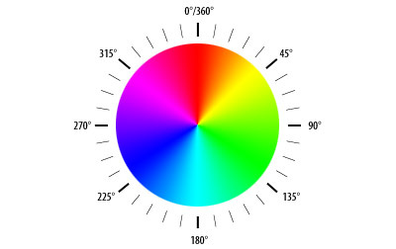
180º | B-Y |  | 150 | 100 | 100 | 64.72 | 115.36 | 24.57 | 50 | 50 | 50 | 0 | 127.5 | 127.5 | 127.5 | 64.72 | 28.82 | -6.69 | #00FF80 | #FF0050 | #808080 | #808080 | #ca8aaa
 |  |  | 330 | 100 | 100 |  |  |  |  |  |  |  |  |  |  |  |  |  | #ff007f
 | C-Y |  | 120 | 100 | 100 | 94.13 | 73.51 | 149.62 | 50 | 0 | 50 | 0 | 127.5 | 255 | 127.5 | 94.13 | -34.82 | 40.17 | #00FF00 | #6effa3 | #80FF80 | #80FF80 | #c4ff9e
 | Three Color Blends
 | R-G-B |  | 150 | 100 | 100 | 51.39 | 122.99 | 17.15 | 75 | 75 | 50 | 0 | 63.8 | 63.8 | 127.5 | 51.39 | 38.08 | -16.33 | #00FF80 | #FF0047 | #404080 | #404080 | #ac6197 | 21 Misturas
 | R-B-G |  | 210 | 100 | 100 | 65.25 | 119.48 | 64.58 | 75 | 50 | 75 | 0 | 63.8 | 127.5 | 63.8 | 65.25 | -3.26 | 31.43 | #0080FF | #FF7200 | #408040 | #408040 | #ac9e66
 | B-G-R |  | 90 | 100 | 100 | 56.63 | 115.68 | 310.58 | 50 | 75 | 75 | 0 | 127.5 | 63.8 | 63.8 | 56.63 | 38.31 | 27.44 | #80FF00 | out of range | #804040 | #804040 | #d06b5a
 | R-M-B |  | 285 | 100 | 100 | 44.54 | 121.94 | 335.21 | 50 | 100 | 25 | 0 | 127.5 | 0.0 | 191.3 | 44.54 | 84.19 | -52.34 | #bf00ff | #FF00CC | #8000bf | #8000bf | #c100c2
 | R-B-M |  | 300 | 100 | 100 | 51.54 | 117.38 | 340.69 | 25 | 100 | 25 | 0 | 191.3 | 0.0 | 191.3 | 51.5 | 89.0 | -40.6 | #FF00FF | #FF00C0 | #bf00bf | #bf00bf | #e500c2
 | B-M-R |  | 135 | 100 | 100 | 49.77 | 114.63 | 358.63 | 25 | 100 | 50 | 0 | 191.3 | 0.0 | 127.5 | 49.8 | 84.4 | -8.6 | #00ff40 | #FF0080 | #bf0080 | #bf0080 | #ea0088
 | C-G-B |  | 195 | 100 | 100 | 60.87 | 109.38 | 236.25 | 100 | 50 | 25 | 0 | 0.0 | 127.5 | 191.3 | 60.87 | 6.03 | -36.67 | #00bfff | out of range | #0080bf | #0080bf | #7393d3
 | C-B-G |  | 165 | 100 | 100 | 74.73 | 105.87 | 193.67 | 100 | 25 | 50 | 0 | 0.0 | 191.3 | 127.5 | 74.73 | -35.31 | 11.09 | #00ffbf | #00E1E4 | #00bf80 | #00bf80 | #71c9a2
 | B-G-C |  | 180 | 100 | 100 | 75.57 | 88.45 | 208.77 | 100 | 25 | 25 | 0 | 0.0 | 191.3 | 191.3 | 75.57 | -25.79 | -13.24 | #00FFFF | out of range | #00bfbf | #00bfbf | #66c6cf
 | C-M-Y |  | 150 | 100 | 100 | 86.43 | 89.87 | 182.60 | 25 | 25 | 50 | 0 | 191.3 | 191.3 | 127.5 | 86.43 | 1.76 | 28.50 | #00FF80 | #00FFDD | #bfbf80 | #bfbf80 | #f0d5a3
 | C-Y-M |  | 210 | 100 | 100 | 77.23 | 94.53 | 238.93 | 25 | 50 | 25 | 0 | 191.3 | 127.5 | 191.3 | 77.23 | 31.72 | -10.34 | #0080FF | out of range | #bf80bf | #bf80bf | #f0aad3
 | Y-M-C |  | 90 | 100 | 100 | 84.93 | 78.17 | 115.96 | 50 | 25 | 25 | 0 | 127.5 | 191.3 | 191.3 | 84.93 | -4.87 | 1.34 | #80FF00 | #BBE341 | #80bfbf | #80bfbf | #cbd7d1
 | C-M-B |  | 240 | 100 | 100 | 54.01 | 108.32 | 284.32 | 75 | 75 | 0 | 0 | 63.8 | 63.8 | 255.0 | 54.01 | 52.14 | -72.68 | #0000FF | out of range | #4040ff | #4040ff | #8c64ff
 | C-B-M |  | 255 | 100 | 100 | 61.02 | 103.76 | 289.78 | 50 | 75 | 0 | 0 | 127.5 | 63.8 | 255.0 | 61.02 | 56.91 | -60.92 | #4000FF | out of range | #8040ff | #8040ff | #bd6eff
 | B-M-C |  | 225 | 100 | 100 | 68.72 | 87.40 | 256.83 | 75 | 50 | 0 | 0 | 63.8 | 127.5 | 255.0 | 68.72 | 20.32 | -49.25 | #0040FF | out of range | #4080ff | #4080ff | #96a0ff
 | C-G-Y |  | 105 | 100 | 100 | 93.29 | 90.92 | 134.52 | 50 | 0 | 75 | 0 | 127.5 | 255.0 | 63.8 | 93.29 | -44.35 | 64.50 | #40ff00 | #89FF65 | #00ff40 | #80ff40 | #bcff67 |  |  | HSV
 | C-Y-G |  | 120 | 100 | 100 | 90.94 | 96.64 | 142.82 | 75 | 0 | 75 | 0 | 63.8 | 255.0 | 63.8 | 90.94 | -60.50 | 61.68 | #00FF00 | #42FF6D | #40ff40 | #40ff40 | #8aff66
 | Y-G-C |  | 135 | 100 | 100 | 91.78 | 79.22 | 157.91 | 75 | 0 | 50 | 0 | 63.8 | 255.0 | 127.5 | 91.78 | -50.98 | 37.35 | #00FF40 | #00FFAB | #40ff80 | #40ff80 | #92ff9d
 | R-M-Y |  | 15 | 100 | 100 | 76.96 | 103.48 | 53.49 | 0 | 50 | 75 | 0 | 255.0 | 127.5 | 63.8 | 76.96 | 33.81 | 48.84 | #FF4000 | #FF8609 | #ff8040 | #ff8040 | #ffa465
 | R-Y-M |  | 345 | 100 | 100 | 67.75 | 108.15 | 19.83 | 0 | 75 | 50 | 0 | 255.0 | 63.8 | 127.5 | 67.75 | 63.76 | 10.00 | #FF0040 | #FF006A | #ff4080 | #ff4080 | #ff6e96
 | Y-M-R |  | 0 | 100 | 100 | 65.98 | 105.40 | 37.77 | 0 | 75 | 75 | 0 | 255.0 | 63.8 | 63.8 | 65.98 | 59.23 | 42.02 | #FF0000 | #FF402F | #ff4040 | #ff4040 | #ff6c58

 |  |  |  |  |  | - Nas misturas de 3 cores, foram excluídas todas as que incluem cores opostas!

